offer
Under Armour Q3-2022

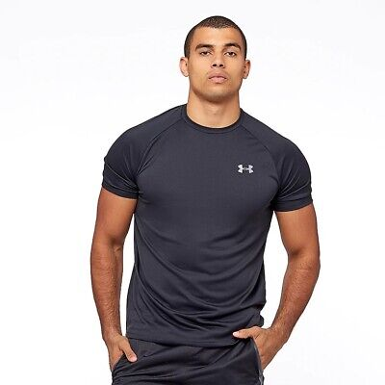
Gender: | Art.Nr. | Name | A | S | M | L | XL | 2XL | Farbe | RETAIL | Q.TY | WHS PRICE | tot whs
Men | 1326413-001 | Tech 2.0 Tee | A |  | 200 | 400 | 400 | 200 | Black / Graphite | 28.00 € | 1,200 | 14.00 | € 16,800.00
Men | 1326413-100 | Tech 2.0 Tee | A |  | 200 | 400 | 400 | 200 | White / Overcast Gray | 28.00 € | 1,200 | 14.00 | € 16,800.00
Men | 1326413-036 | Tech 2.0 Tee | A |  | 100 | 200 | 200 | 100 | Steel Light Heather / Black | 28.00 € | 600 | 14.00 | € 8,400.00
Men | 1326413-408 | Tech 2.0 Tee | A |  | 100 | 200 | 200 | 100 | Academy / Graphite | 28.00 € | 600 | 14.00 | € 8,400.00
Men | 1326799-001 | Sportstyle LC SS | A |  | 400 | 800 | 800 | 400 | Black / Black | 26.00 € | 2,400 | 13.00 | € 31,200.00
Men | 1326799-100 | Sportstyle LC SS | A |  | 400 | 800 | 800 | 400 | White / Black | 26.00 € | 2,400 | 13.00 | € 31,200.00
Men | 1326799-036 | Sportstyle LC SS | A |  | 200 | 400 | 400 | 200 | Steel Light Heather / Black | 26.00 € | 1,200 | 13.00 | € 15,600.00
Men | 1326799-408 | Sportstyle LC SS | A |  | 200 | 400 | 400 | 200 | Academy / Black | 26.00 € | 1,200 | 13.00 | € 15,600.00
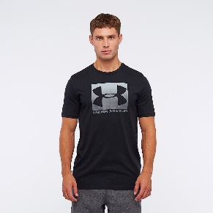
Men | 1329581-001 | Boxed Sportstyle SS | A |  | 200 | 400 | 400 | 200 | Black / Graphite | 26.00 € | 1,200 | 13.00 | € 15,600.00
Men | 1329581-035 | Boxed Sportstyle SS | A |  | 200 | 400 | 400 | 200 | Steel Light Heather | 26.00 € | 1,200 | 13.00 | € 15,600.00
Men | 1329582-001 | Team Issue Wordmark SS | A |  | 200 | 400 | 400 | 200 | Black / Rhino Gray | 26.00 € | 1,200 | 13.00 | € 15,600.00
Men | 1329582-100 | Team Issue Wordmark SS | A |  | 200 | 400 | 400 | 200 | White | 26.00 € | 1,200 | 13.00 | € 15,600.00

Men | 1357092-001 | Rival Fleece Hoody | A |  | 400 | 800 | 800 | 400 | Black / Onyx White | 60.00 € | 2,400 | 30.00 | € 72,000.00
Men | 1357092-011 | Rival Fleece Hoody | A |  | 200 | 400 | 400 | 200 | Mod Gray Light Heather | 60.00 € | 1,200 | 30.00 | € 36,000.00
Men | 1357092-408 | Rival Fleece Hoody | A |  | 200 | 400 | 400 | 200 | Academy / Onyx White | 60.00 € | 1,200 | 30.00 | € 36,000.00
Men | 1357128-001 | Rival Fleece Joggers | A |  | 800 | 1600 | 1600 | 800 | Black / Onyx White | 55.00 € | 4,800 | 27.50 | € 132,000.00
Men | 1357128-011 | Rival Fleece Joggers | A |  | 400 | 800 | 800 | 400 | Mod Gray Light Heather | 55.00 € | 2,400 | 27.50 | € 66,000.00
Men | 1357128-408 | Rival Fleece Joggers | A |  | 400 | 800 | 800 | 400 | Academy / Onyx White | 55.00 € | 2,400 | 27.50 | € 66,000.00
Men | 1357093-001 | Rival Fleece Big Logo HD | A |  | 800 | 1600 | 1600 | 800 | Black / Onyx White | 60.00 € | 4,800 | 30.00 | € 144,000.00
Men | 1357093-011 | Rival Fleece Big Logo HD | A |  | 800 | 1600 | 1600 | 800 | Mod Gray Light Heather | 60.00 € | 4,800 | 30.00 | € 144,000.00
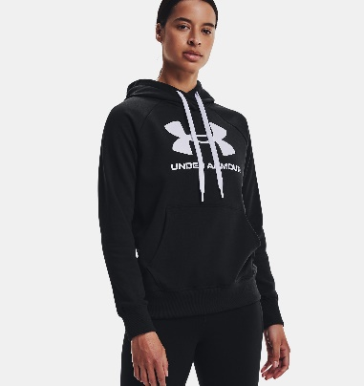
Woman | 1356318-001 | Rival Fleece Logo Hoodie | A | 600 | 1200 | 1200 | 600 |  | Black / Black / White | 60.00 € | 3,600 | 30.00 | € 108,000.00
Woman | 1356318-035 | Rival Fleece Logo Hoodie | A | 600 | 1200 | 1200 | 600 |  | Steel Medium Heather / Black | 60.00 € | 3,600 | 30.00 | € 108,000.00
Woman | 1356416-001 | Rival Fleece Joggers | A | 400 | 800 | 800 | 400 |  | Black / White / White | 55.00 € | 2,400 | 27.50 | € 66,000.00
Woman | 1356416-035 | Rival Fleece Joggers | A | 400 | 800 | 800 | 400 |  | Steel Medium Heather / Black | 55.00 € | 2,400 | 27.50 | € 66,000.00

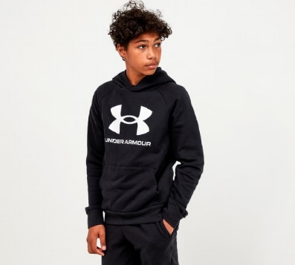
 |  |  | A | YSM | YMD | YLG | YXL
Kids | 1357585-001 | Rival Fleece Logo Hoodie Y | A | 400 | 800 | 800 | 400 |  | Black / Onyx White | 40.00 € | 2,400 | 20.00 | € 48,000.00
Kids | 1357585-011 | Rival Fleece Logo Hoodie Y | A | 400 | 800 | 800 | 400 |  | Mod Gray Light Heather | 40.00 € | 2,400 | 20.00 | € 48,000.00
Kids | 1357628-001 | Rival Fleece Joggers Y | A | 200 | 400 | 400 | 200 |  | Black / Onyx White | 40.00 € | 1,200 | 27.50 | € 33,000.00
Kids | 1357628-011 | Rival Fleece Joggers Y | A | 200 | 400 | 400 | 200 |  | Mod Gray Light Heather | 40.00 € | 1,200 | 27.50 | € 33,000.00

 |  | Gesamt: |  |  |  |  |  |  |  |  | 58,800 |  | € 1,412,400.00

